OR & Procedure - Chunks
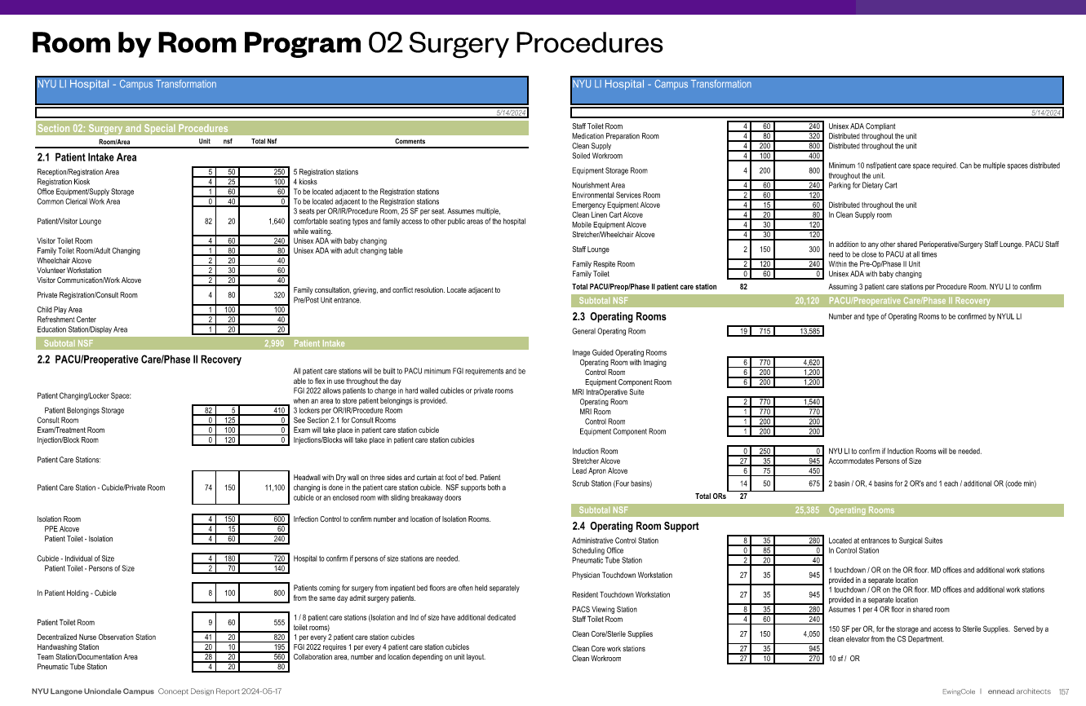
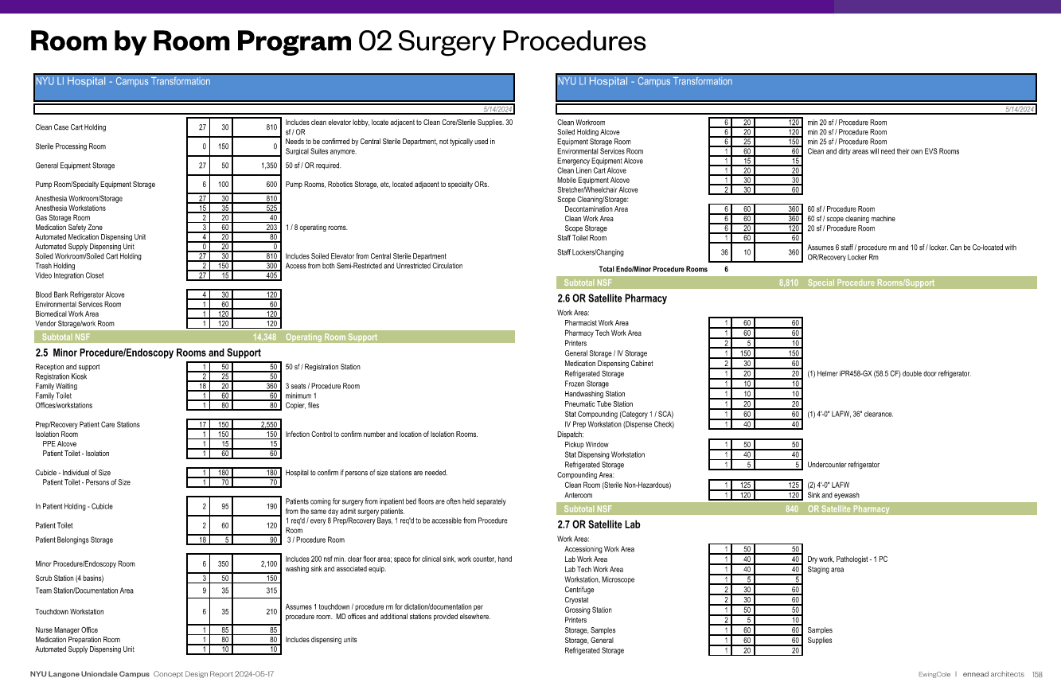
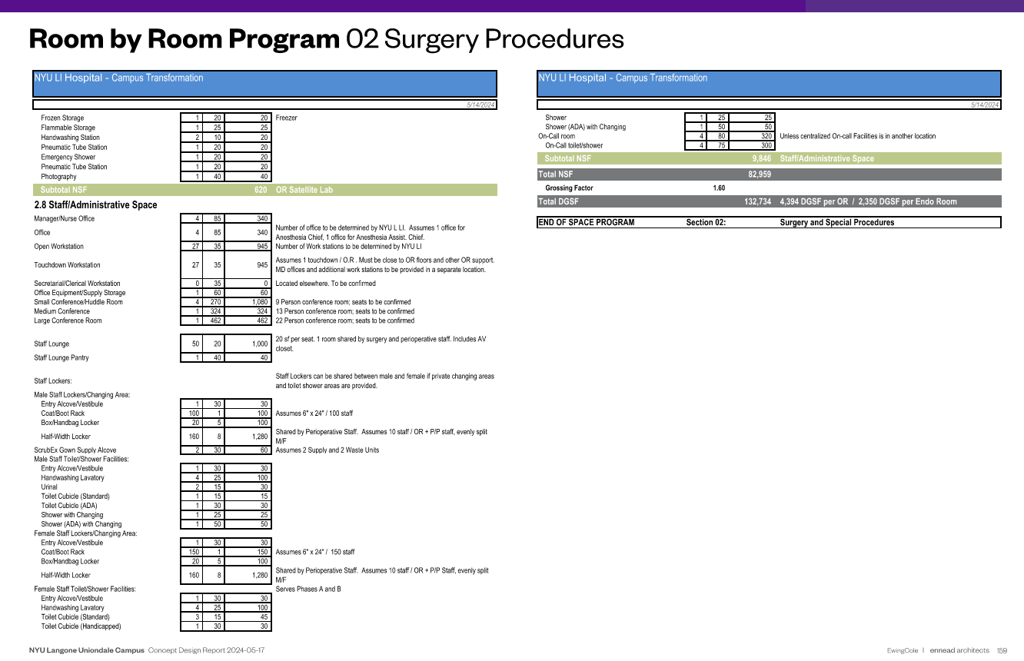
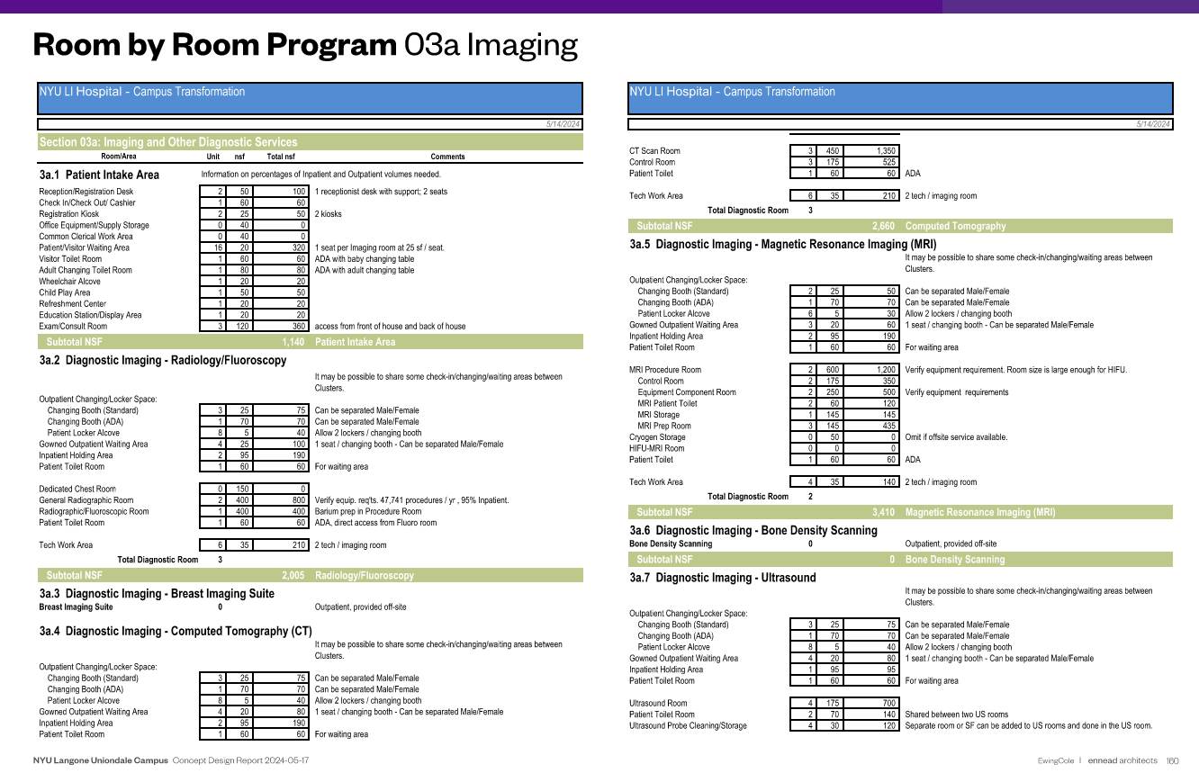
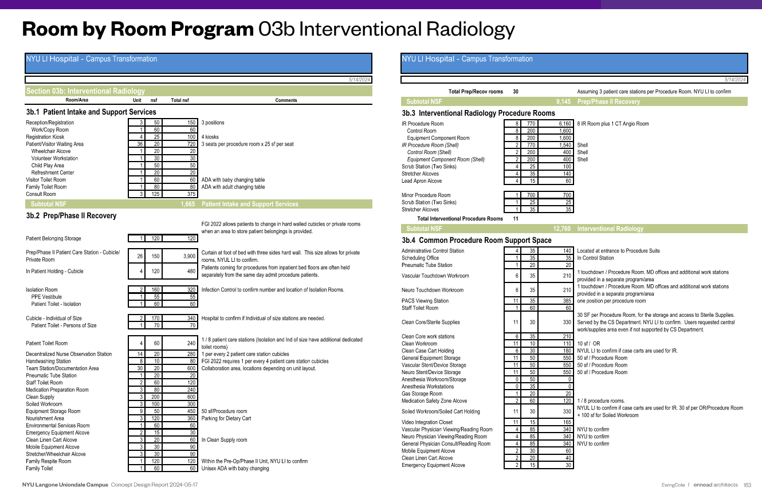
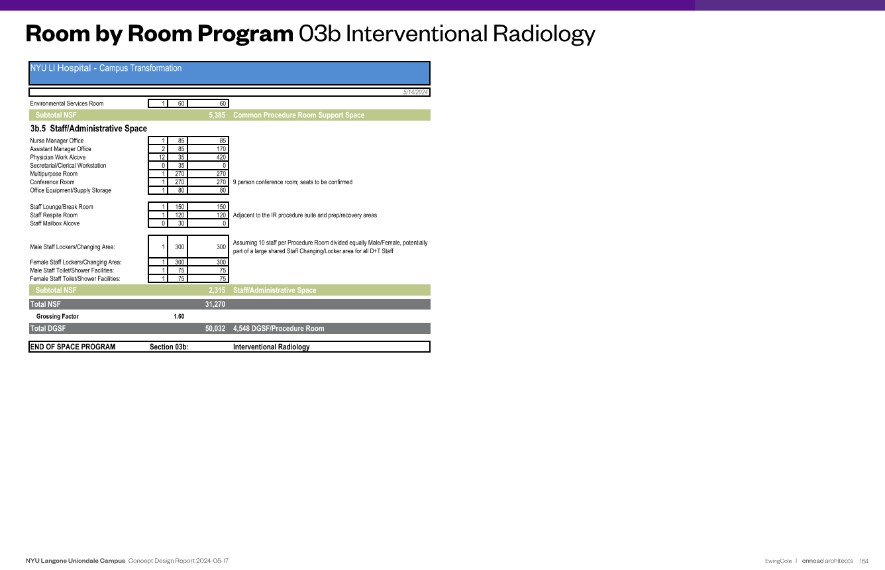
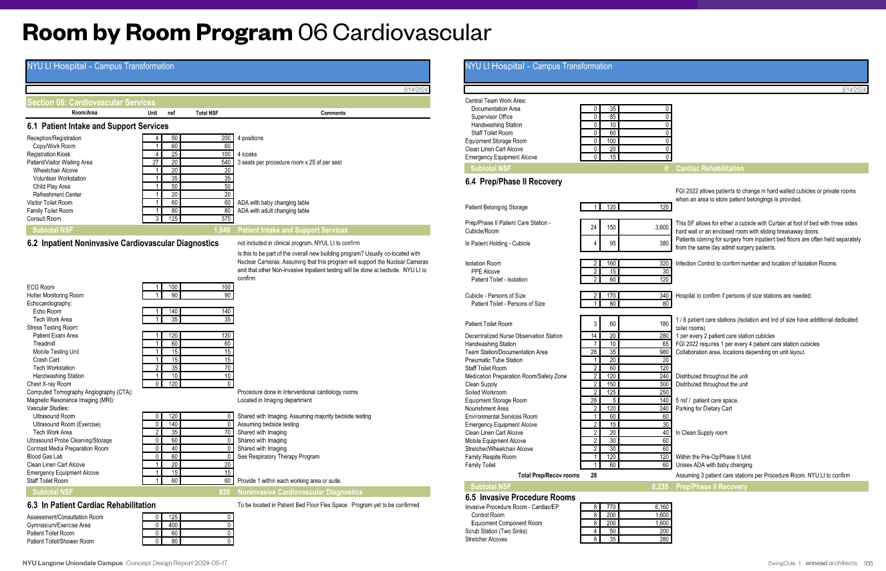
Extrapoloated from Uniondale Room-by-Room Program from Ewing Cole 2024-05

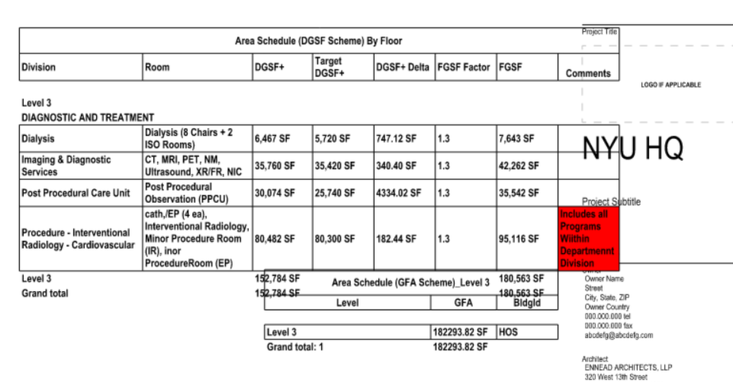
OR & Procedure Program Groups | Uniondale Key Rooms | NSF | % | Current Key Rooms | DGSF | % | DGSF x1.1 | HQ Program "Chunks" | DGSF | Planhing DGSF |  |  | Planning DGSF x1.1
 |  |  |  |  |  |  |  |  |  | L2 | L3 | L4 | L2 | L3 | L4

Surgery / ORs |  | 74,149 | 100% |  | 101,600 | 100% | 111,760 | Surgery / ORs | 56,443 |  |  | 56,443 |  |  | 62,088
Patient Intake Area |  | 2,990 | 4% |  | 4,097 | 4% |  | Intake | see below
Operating Rooms | 27 | 25,385 | 34% | 23 | 34,783 | 34% |  | Ors & OR Support | 56,443
Pre/Post (3 per OR) | 82 | 20,120 | 27% |  | 27,569 | 27% |  | Pre/Post | see below
OR Support (with/adjacent to ORs) |  | 14,348 | 19% |  | 19,660 | 19% |  | Staff Support | see below
OR Satellite Lab and Pharmacy |  | 1,460 | 2% |  | 2,001 | 2%
OR Staff Support |  | 9,846 | 13% |  | 13,491 | 13%

Imaging |  | 21,490 | 100% |  | 29,600 | 100% | 32,560 | Imaging | 28,030 |  | 28,030 |  |  | 30,833
Patient Intake Area |  | 1,140 | 5% |  | 1,570 | 5% |  | Intake | see below
Imaging |  | 20,350 | 95% |  | 28,030 | 95% |  | Imaging | 28,030

Procedure: Endoscopy |  | 8,810 | 100% |  | 13,800 | 100% | 15,180 | Endo | 6,963 |  |  | 6,963 |  |  | 7,659
Patient Intake Area |  | 580 | 7% |  | 909 | 7% |  | Intake | see below
Endo Rooms & Support | 6 | 4,445 | 50% | 6 | 6,963 | 50% |  | Endo Rooms & Support | 6,963
Endo Pre/Post (3 per OR) | 18 | 3,425 | 39% |  | 5,365 | 39% |  | Pre/Post | see below
Endo Staff Suport (can be co-located with OR Staff) |  | 360 | 4% |  | 564 | 4% |  | Staff Support | see below

Procedure: Cardiovascular |  | 26,815 | 100% |  | 43,800 | 100% | 83,160 | Procedure Platform (IR + Cath/EP) | 42,872 |  | 42,872 |  |  | 47,159
Patient Intake Area |  | 1,540 | 6% |  | 2,515 | 6% |  | Intake | see below
Cath/EP | 9 | 10,805 | 40% | 8 | 17,649 | 40% |  | Cath/EP + IR Rooms & Support | 42,872
Pre/Post (3 per OR) | 28 | 8,235 | 31% |  | 13,451 | 31% |  | Pre/Post | see below
Noninvasive Cardiology Diagnostics |  | 820 | 3% |  | 1,339 | 3% |  | Staff Support | see below
Procedure Room Support (with/adjacent to PRs) |  | 3,325 | 12% |  | 5,431 | 12%
Staff Support |  | 2,090 | 8% |  | 3,414 | 8% |  |  |  |  |  |  |  |  |  | x
 |  |  |  |  |  |  |  | Prep/Post | 55,685 |  | 22,751 | 32,934 |  | 25,026 | 36,227
 |  |  |  |  |  |  |  | OR Pre/Post | 27,569
Procedure: Interventional Radiology |  | 31,270 | 100% |  | 31,800 | 100% | incl. above | Endo Pre/Post | 5,365
Patient Intake Area |  | 1,665 | 5% |  | 1,693 | 5% |  | Procefure Pre/Post | 22,751
Procedure Rooms | 11 | 12,760 | 41% | 6 | 12,976 | 41%
Pre/Post (3 per OR) | 30 | 9,145 | 29% |  | 9,300 | 29%
IR Support (with/adjacent to IR) |  | 5,385 | 17% |  | 5,476 | 17%
Staff Support |  | 2,315 | 7% |  | 2,354 | 7%

Dialysis |  |  |  |  | 5,200 | 100% | 5,720 | Dialysis | 5,200 |  | 5,200 |  |  | 5,720
Rooms/Chairs |  |  |  | 10 | 5,200 | 100% |  | 10 Chair Department | 5,200

 |  |  |  |  | DGSF |  | DGSF x 1.1 | Staff Support (all ORs/Procedure) | 19,823 | 15,858 | 1,982 | 1,982 | 17,444 | 2,181 | 2,181
 |  |  |  | L3 | 110,400 |  | 121,440 | Staff Support Surgery/Ors | 13,491
 |  |  |  | L4 | 115,400 |  | 126,940 | Staff Support Endo | 564
 |  |  |  |  |  |  |  | Staff Suport Procedure | 5,768
 |  |  |  |  | 143,520
 |  |  |  |  | 150,020
 |  |  |  |  |  |  |  | Intake | 10,784 |  | 5,779 | 5,005 |  | 6,357 | 5,506
 |  |  |  |  |  |  |  | OR Intake | 4,097
 |  |  |  |  |  |  |  | Procedure Intake | 4,209
 |  |  |  |  |  |  |  | Imaging Intake | 1,570
 |  |  |  |  |  |  |  | Endo Intake | 909

SUBTOTAL

TOTAL PROGRAM NSF |  | 162,534
x1.6 NSF:DGSF GF |  | 1.6
TOTAL PROGRAM DGSF |  | 260,054 |  |  | 225,800 |  |  | TOTAL PLANNING DGSF | 159,331 | 15,858 | 106,614 | 103,327 | 17,444 | 117,276 | 113,660
 |  |  |  |  |  |  |  | x 1.1 DGSF + shafts & elec/tele |  | 17,444 | 117,276 | 113,660
 |  |  |  |  |  |  |  | x 1.3 DGSF:FGF |  | 20,616 | 138,599 | 134,325
 |  |  |  |  |  |  |  | Difference between L3 & L4 |  |  |  | 4,273

 |  |  |  |  |  |  |  |  |  |  |  |  |  |  | 248,380

